Bottom 10 Movies $$
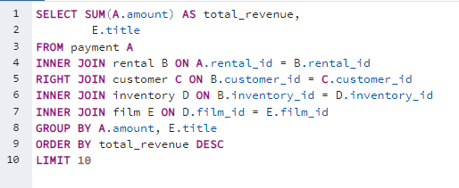
total_revenue | title
0 | Holes Brannigan
0 | Princess Giant
0 | Smoking Barbarella
0 | Women Dorado
0 | State Wasteland
0 | Motions Details
0 | Sleepy Japanese
0 | Movie Shakespeare
0 | Curtain Videotape
0 | Chamber Italian

Top 5 Customers Names
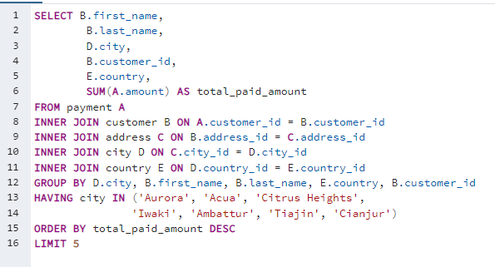
first_name | last_name | city | customer_id | country | total_paid_amount
Arlene | Harvey | Ambattur | 225 | India | 111.76
Marlene | Welch | Iwaki | 240 | Japan | 106.77
Glen | Talbert | Acua | 486 | Mexico | 100.77
Clinton | Buford | Aurora | 537 | United States | 98.76
Betty | White | Citrus Heights | 14 | United States | 96.77

Top 10 Countries $$
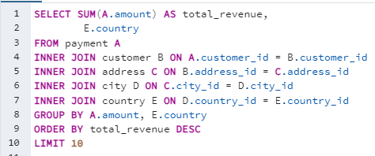
total_revenue | country
1636.72 | India
1457.08 | China
1032.93 | United States
938.86 | India
899.99 | China
888.22 | Japan
823.35 | Brazil
778.44 | Mexico
754.74 | India
723.55 | Russian Federation

